Composite
Combined Scores

 | Urban Area
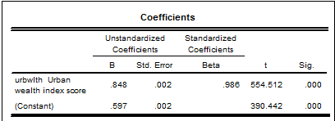

 |  |  | Combined Score= .597 + .848 * Urban Score

 | Rural
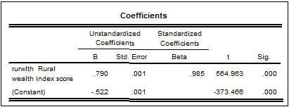

 |  |  | Combined Score= -.522 + .790 * Rural Score

 | Combined Score
 |  | Statistics
 |  | FAC1_1 REGR factor score 1 for analysis 1
 |  | N | Valid | 18968
 |  |  | Missing | 0
 |  | Mean |  | 0
 |  | Std. Error of Mean |  | 0.0072609
 |  | Median |  | -0.0296110
 |  | Mode |  | -0.07097
 |  | Std. Deviation |  | 1.00000000
 |  | Skewness |  | 0.026
 |  | Std. Error of Skewness |  | 0.018
 |  | Kurtosis |  | -0.283
 |  | Std. Error of Kurtosis |  | 0.036
 |  | Minimum |  | -3.25852
 |  | Maximum |  | 2.97569
 |  | Percentiles | 20 | -0.8559424
 |  |  | 40 | -0.3096495
 |  |  | 60 | 0.2958066
 |  |  | 80 | 0.8727460

 | histrogram

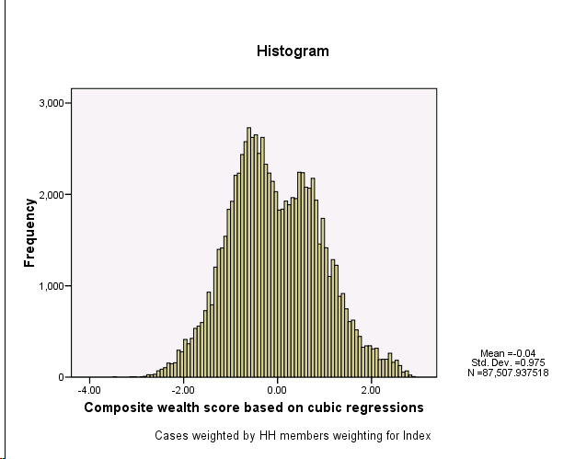

 | Report
 | Mean
 |  | NFAC1_1 Percentile Group of FAC1_1
 |  | 1 | 2 | 3 | 4 | 5 | Total
 | hv206 Has electricity | 0.97 | 1.00 | 1.00 | 1.00 | 1.00 | 1.00
 | hv207 Has radio | 0.37 | 0.68 | 0.75 | 0.84 | 0.94 | 0.74
 | hv208 Has television | 0.77 | 0.96 | 0.98 | 0.99 | 1.00 | 0.95
 | hv209 Has refrigerator | 0.55 | 0.95 | 0.99 | 1.00 | 1.00 | 0.91
 | hv210 Has bicycle | 0.10 | 0.15 | 0.13 | 0.07 | 0.05 | 0.10
 | hv211 Has motorcycle/scooter | 0.01 | 0.03 | 0.03 | 0.02 | 0.02 | 0.03
 | hv212 Has car/truck | 0.00 | 0.01 | 0.02 | 0.03 | 0.27 | 0.08
 | hv221 Has telephone | 0.11 | 0.31 | 0.46 | 0.59 | 0.85 | 0.49
 | hv243a Has a mobile telephone | 0.11 | 0.23 | 0.31 | 0.46 | 0.78 | 0.40
 | hv243b Has a watch | 0.53 | 0.88 | 0.96 | 0.99 | 1.00 | 0.89
 | hv243c Has an animal-drawn cart | 0.07 | 0.08 | 0.05 | 0.01 | 0.00 | 0.04
 | hv247 Owns a bank account | 0.01 | 0.02 | 0.03 | 0.04 | 0.31 | 0.09
 | sh119c Own Color television | 0.48 | 0.90 | 0.95 | 0.99 | 1.00 | 0.88
 | sh119d Own Black and white television | 0.30 | 0.08 | 0.04 | 0.02 | 0.02 | 0.08
 | sh119e Own Video/DVD | 0.00 | 0.01 | 0.01 | 0.03 | 0.28 | 0.08
 | sh119h Own Personal home computer | 0.00 | 0.01 | 0.03 | 0.07 | 0.48 | 0.14
 | sh119i Own Sewing machine | 0.01 | 0.02 | 0.04 | 0.04 | 0.07 | 0.04
 | sh119j Own Electric fan | 0.69 | 0.93 | 0.95 | 0.97 | 0.98 | 0.91
 | sh119k Own Air condition | 0.00 | 0.00 | 0.00 | 0.01 | 0.17 | 0.04
 | sh120 See satellite's programs /Have satellite | 0.11 | 0.31 | 0.40 | 0.54 | 0.83 | 0.47
 | sh122b Own Freezer | 0.00 | 0.00 | 0.01 | 0.01 | 0.14 | 0.04
 | sh122c Own Water heater | 0.00 | 0.03 | 0.18 | 0.61 | 0.96 | 0.40
 | sh122d Own Dishwasher | 0.00 | 0.00 | 0.00 | 0.00 | 0.07 | 0.02
 | sh122e Own Automatic washing machine | 0.01 | 0.01 | 0.02 | 0.11 | 0.81 | 0.22
 | sh122f Own Non automatic washing machine | 0.72 | 0.94 | 0.97 | 0.93 | 0.41 | 0.78
 | sh122g Own Bed | 0.90 | 0.99 | 1.00 | 1.00 | 1.00 | 0.98
 | sh122h Own Sofa | 0.83 | 0.94 | 0.95 | 0.96 | 0.95 | 0.93
 | sh122i Own Green lamp without cover | 0.92 | 0.95 | 0.89 | 0.84 | 0.68 | 0.84
 | sh122j Own Table | 0.62 | 0.89 | 0.91 | 0.95 | 0.99 | 0.89
 | sh122k Own Tablia | 0.73 | 0.79 | 0.70 | 0.54 | 0.32 | 0.60
 | sh122l Own Chair | 0.50 | 0.79 | 0.90 | 0.97 | 0.99 | 0.85
 | sh122m Own Kola/Zeer | 0.55 | 0.44 | 0.24 | 0.10 | 0.03 | 0.25
 | memroom Number of members per room | 1.66 | 1.22 | 0.96 | 0.85 | 0.70 | 1.04
 | h2oires Piped into dwelling | 0.71 | 0.91 | 0.96 | 0.98 | 0.99 | 0.92
 | h2oyrdr Piped into yard/plot | 0.01 | 0.00 | 0.00 | 0.00 | 0.00 | 0.00
 | h2opub Public tap/standpipe | 0.1253 | 0.0149 | 0.0051 | 0.0021 | 0.0000 | 0.0253
 | h2otube Tube well/Borehole | 0.0545 | 0.0267 | 0.0128 | 0.0061 | 0.0009 | 0.0180
 | h2pbwell Protected well | 0.0462 | 0.0201 | 0.0089 | 0.0044 | 0.0007 | 0.0142
 | h2powell Unprotected well | 0.0004 | 0.0001 | 0.0000 | 0.0000 | 0.0000 | 0.0001
 | h2pspng Protected spring | 0.0013 | 0.0011 | 0.0006 | 0.0003 | 0.0000 | 0.0006
 | h2uspng Unprotected spring | 0.0001 | 0.0000 | 0.0004 | 0.0000 | 0.0000 | 0.0001
 | h2osurf Surface water-river, lake, etc. | 0.0003 | 0.0005 | 0.0000 | 0.0000 | 0.0000 | 0.0001
 | h2otrk Tanker truck | 0.0288 | 0.0201 | 0.0093 | 0.0025 | 0.0011 | 0.0110
 | h2ocrt Cart with small tank | 0.0186 | 0.0063 | 0.0057 | 0.0012 | 0.0004 | 0.0058
 | h2obtl Bottled water | 0.0000 | 0.0000 | 0.0001 | 0.0002 | 0.0083 | 0.0020
 | h2ooth Other water source | 0.0012 | 0.0011 | 0.0000 | 0.0003 | 0.0000 | 0.0005
 | flush1 Modern flush toilet | 0.0079 | 0.0236 | 0.2553 | 0.8775 | 0.9940 | 0.4846
 | flush2 Traditional tank flush toilet | 0.0213 | 0.0290 | 0.0477 | 0.0091 | 0.0002 | 0.0204
 | flush3 Traditional bucket flush toilet | 0.9295 | 0.9444 | 0.6939 | 0.1123 | 0.0058 | 0.4867
 | latvip Ventilated Improved Pit latrine | 0.0131 | 0.0019 | 0.0018 | 0.0000 | 0.0000 | 0.0029
 | latbush No facility/bush/field | 0.0222 | 0.0000 | 0.0000 | 0.0000 | 0.0000 | 0.0038
 | latpail Bucket toilet | 0.0047 | 0.0001 | 0.0000 | 0.0000 | 0.0000 | 0.0008
 | latoth Other type toilet/latrine | 0.0013 | 0.0000 | 0.0006 | 0.0000 | 0.0000 | 0.0003
 | flush1s Shared Modern flush toilet | 0.0022 | 0.0008 | 0.0024 | 0.0048 | 0.0020 | 0.0025
 | flush2s Shared traditional tank flush toilet | 0.0044 | 0.0012 | 0.0014 | 0.0000 | 0.0000 | 0.0012
 | flush3s Shared traditional bucket flush toilet | 0.1039 | 0.0496 | 0.0114 | 0.0007 | 0.0000 | 0.0286
 | latvips Shared VIP latrine | 0.0012 | 0.0000 | 0.0000 | 0.0000 | 0.0000 | 0.0002
 | latoths Shared composting/bucket/hanging/other toilet | 0.0025 | 0.0000 | 0.0000 | 0.0000 | 0.0000 | 0.0004
 | dirtfloo Dirt or dung floor | 0.4358 | 0.1101 | 0.0131 | 0.0013 | 0.0000 | 0.0955
 | woodfloo Rudimentary wood plank floor | 0.0000 | 0.0006 | 0.0002 | 0.0003 | 0.0002 | 0.0003
 | prqfloo Parquet, polished wood floor | 0.0000 | 0.0000 | 0.0001 | 0.0008 | 0.0107 | 0.0027
 | vinfloo Vinyl, asphalt strip floor | 0.0000 | 0.0001 | 0.0020 | 0.0038 | 0.0073 | 0.0030
 | tilefloo Ceramic tile floor | 0.0016 | 0.0129 | 0.0381 | 0.1258 | 0.4853 | 0.1514
 | ctilfloo Cement tile floor | 0.1341 | 0.3973 | 0.7902 | 0.8434 | 0.4835 | 0.5522
 | cemtfloo Cement floor | 0.4275 | 0.4772 | 0.1526 | 0.0185 | 0.0023 | 0.1899
 | rugfloo Carpeted floor | 0.0001 | 0.0018 | 0.0031 | 0.0056 | 0.0105 | 0.0046
 | othfloo Other type of flooring | 0.0007 | 0.0000 | 0.0000 | 0.0000 | 0.0001 | 0.0001
 | garbcol Garbage collected from home | 0.1050 | 0.1942 | 0.3333 | 0.4332 | 0.6652 | 0.3704
 | garbcon Garbage collected from street container | 0.0429 | 0.0726 | 0.1803 | 0.2961 | 0.2659 | 0.1843
 | garbst Garbage dumped into street/emply plot | 0.3343 | 0.3508 | 0.2985 | 0.2194 | 0.0615 | 0.2407
 | garbwat Garbage dumped into canal/drainage | 0.2178 | 0.1660 | 0.0847 | 0.0235 | 0.0040 | 0.0887
 | garbfeed Garbage fed to animals | 0.0490 | 0.0487 | 0.0298 | 0.0076 | 0.0013 | 0.0247
 | garboth Other garbage disposal | 0.0103 | 0.0043 | 0.0032 | 0.0008 | 0.0002 | 0.0033
 | aptown Lives in owned or jointly owned apartement | 0.0895 | 0.1662 | 0.3867 | 0.4758 | 0.5725 | 0.3617
 | aptrent Lives in rented or other apartement | 0.0371 | 0.0796 | 0.2261 | 0.3753 | 0.3679 | 0.2353
 | hseown Lives in owned or jointly owned free standing house | 0.7587 | 0.6857 | 0.3572 | 0.1372 | 0.0529 | 0.3616
 | hserent Lives in rented or other free standing house | 0.0477 | 0.0367 | 0.0252 | 0.0107 | 0.0049 | 0.0230
 | othdwel Lives in other type of dwelling | 0.0658 | 0.0313 | 0.0035 | 0.0003 | 0.0007 | 0.0174
 | garbbrn Garbage is burned | 0.2395 | 0.1620 | 0.0694 | 0.0187 | 0.0017 | 0.0870

